Sheet1
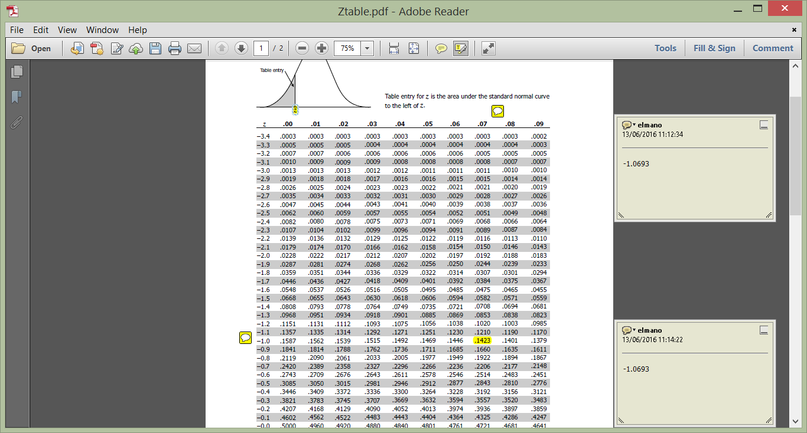
EXAMPLE available in AQUILA and presented in class |  |  |  |  | TEST EXAMPLE of a possible answer (IMPORTANT: the scenarios are created by the student, consequently they are different among the different tests)
 | NPV | p | p x NPV | p x [NPV - E(NPV)]2 |  | NPV | p | p x NPV | p x [NPV - E(NPV)]2
P4 | -150,000 | 5% | -7,500 | 2,626,632,000 | P4 | -600 | 0.05 | -30 | 79254.05
P3 | -10,000 | 8% | -800 | 636,531,200 | P3 | -400 | 0.08 | -32 | 89718.48
P2 | 10,000 | 10% | 1,000 | 478,864,000 | P2 | -200 | 0.09 | -18 | 66409.29
P1 | 75,000 | 12% | 9,000 | 2,116,800 | P1 | 400 | 0.12 | 48 | 8049.72
BASE SCENARIO | 100,000 | 35% | 35,000 | 151,424,000 | BASE SCENARIO | 800 | 0.32 | 256 | 6361.92
O1 | 115,000 | 15% | 17,250 | 192,246,000 | O1 | 1000 | 0.13 | 130 | 15116.53
O2 | 150,000 | 9% | 13,500 | 451,137,600 | O2 | 1250 | 0.1 | 125 | 34928.1
O3 | 175,000 | 5% | 8,750 | 458,882,000 | O3 | 1500 | 0.08 | 120 | 56582.48
O4 | 300,000 | 1% | 3,000 | 487,526,400 | O4 | 2000 | 0.03 | 60 | 53948.43
 |  | 100% | 79,200 | 5,485,360,000 |  |  | 1 | 659 | 410369

mean= | 79,200 |  |  |  | mean= | 659
SD= | 74063.216241 |  |  |  | SD= | 640.60049953

-1.0693598693 | -1.07 | aprox |  |  | Probability of being selected is p(NPV >0) or, 1-p(NPV<or = 0)
-0.52927912723 | -0.53 | aprox |  |  | p=probability
 | 0.8577 |  |  |  | With this scenario, consulting the ztable statistics
 | 0.7019 |  |  |  | (0-659)/640.6004995= |  | -1.0287222699
 |  |  |  |  | 1-0.1515= | 0.8485 | There is a probability of 84.85% of the NPV being positive and consequently a probability of the project being accepted.

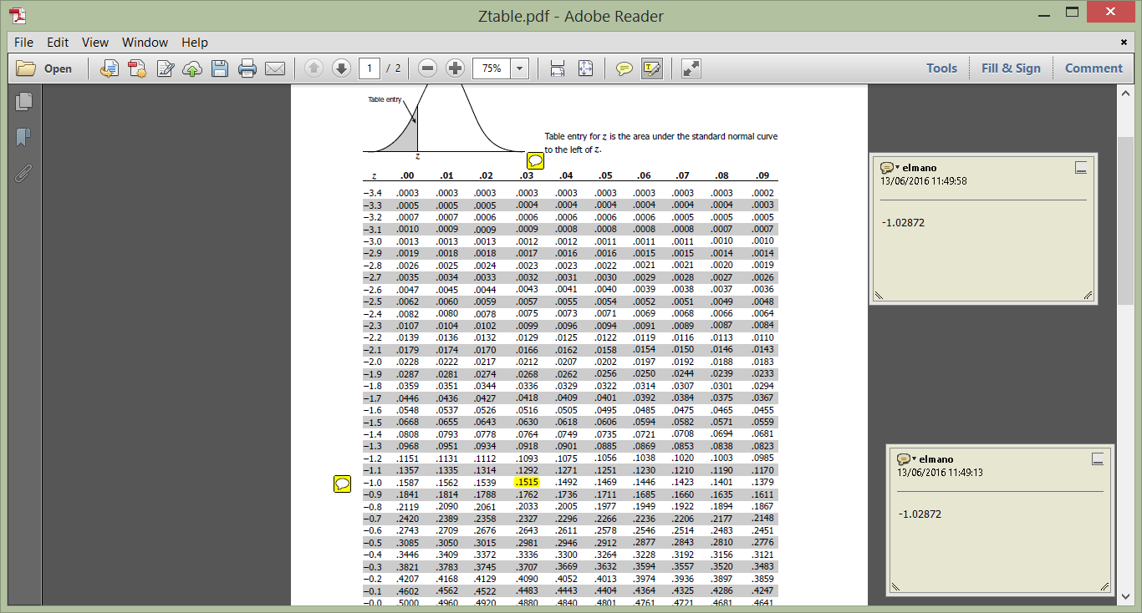

 | Using table znormal (available in AQUILA) The probability of NPV being >0
 | is 1-0.1423 | 0.8577 | The probability of selecting the project (NPV>0) is 85.77%.

